Line charts data
Date | Revenue | Date | Revenue 2 | Data Labels | Date | Revenue
2006-09-03 | $1,332.00 | 2005-07-14 | ₹ 138,576 | 141 | 2005-05-05 | $1,350.00
2006-09-04 | $1,165.00 | 2005-07-15 | ₹ 121,831 | 142 | 2005-05-06 | $1,317.00
2006-09-05 | $1,268.00 | 2005-07-16 | ₹ 123,963 | 167 | 2005-05-07 | $1,131.00
2006-09-06 | $1,316.00 | 2005-07-17 | ₹ 116,021 | 191 | 2005-05-08 | $1,334.00
2006-09-07 | $1,088.00 | 2005-07-18 | ₹ 134,565 | 113 | 2005-05-09 | $1,006.00
2006-09-08 | $1,255.00 | 2005-07-19 | ₹ 126,362 | 134 | 2005-05-10 | $1,101.00
2006-09-09 | $1,033.00 | 2005-07-20 | ₹ 128,405 | 149 | 2005-05-11 | $1,313.00
2006-09-10 | $1,384.00 | 2005-07-21 | ₹ 105,143 | 141 | 2005-05-12 | $1,151.00
2006-09-11 | $1,048.00 | 2005-07-22 | ₹ 123,349 | 133 | 2005-05-13 | $1,036.00
2006-09-12 | $1,127.00 | 2005-07-23 | ₹ 104,705 | 195 | 2005-05-14 | $1,074.00
2006-09-13 | $1,266.00 | 2005-07-24 | ₹ 110,691 | 179 | 2005-05-15 | $1,310.00
2006-09-14 | $1,147.00 | 2005-07-25 | ₹ 119,971 | 186 | 2005-05-16 | $1,318.00
2006-09-15 | $1,225.00 | 2005-07-26 | ₹ 101,178 | 110 | 2005-05-17 | $1,337.00
2006-09-16 | $1,101.00 | 2005-07-27 | ₹ 102,175 | 149 | 2005-05-18 | $1,391.00
2006-09-17 | $1,266.00 | 2005-07-28 | ₹ 133,281 | 157 | 2005-05-19 | $1,006.00
2006-09-18 | $1,296.00 | 2005-07-29 | ₹ 128,002 | 181 | 2005-05-20 | $1,299.00
2006-09-19 | $1,059.00 | 2005-07-30 | ₹ 139,623 | 171 | 2005-05-21 | $1,187.00
2006-09-20 | $1,367.00 | 2005-07-31 | ₹ 123,532 | 101 | 2005-05-22 | $1,322.00
2006-09-21 | $1,344.00 | 2005-08-01 | ₹ 113,162 | 190 | 2005-05-23 | $1,391.00
2006-09-22 | $1,234.00 | 2005-08-02 | ₹ 139,893 | 136 | 2005-05-24 | $1,267.00
2006-09-23 | $1,314.00 | 2005-08-03 | ₹ 106,341 | 177 | 2005-05-25 | $1,379.00
2006-09-24 | $1,263.00 | 2005-08-04 | ₹ 113,834 | 198 | 2005-05-26 | $1,367.00
2006-09-25 | $1,317.00 | 2005-08-05 | ₹ 125,406 | 173 | 2005-05-27 | $1,394.00
2006-09-26 | $1,264.00 | 2005-08-06 | ₹ 102,855 | 144 | 2005-05-28 | $1,027.00
2006-09-27 | $1,115.00 | 2005-08-07 | ₹ 119,915 | 180 | 2005-05-29 | $1,274.00
2006-09-28 | $1,304.00 | 2005-08-08 | ₹ 119,062 | 131 | 2005-05-30 | $1,195.00
2006-09-29 | $1,220.00 | 2005-08-09 | ₹ 111,354 | 199 | 2005-05-31 | $1,215.00
2006-09-30 | $1,225.00 | 2005-08-10 | ₹ 126,884 | 164 | 2005-06-01 | $1,009.00
2006-10-01 | $1,105.00 | 2005-08-11 | ₹ 130,659 | 156 | 2005-06-02 | $1,083.00

charts
Line Charts | Pie Charts

Revenue 1
 | Revenue
9/3/2006 | $1,332.00
9/4/2006 | $1,165.00
9/5/2006 | $1,268.00
9/6/2006 | $1,316.00
9/7/2006 | $1,088.00
9/8/2006 | $1,255.00
9/9/2006 | $1,033.00
9/10/2006 | $1,384.00
9/11/2006 | $1,048.00
9/12/2006 | $1,127.00
9/13/2006 | $1,266.00
9/14/2006 | $1,147.00
9/15/2006 | $1,225.00
9/16/2006 | $1,101.00
9/17/2006 | $1,266.00
9/18/2006 | $1,296.00
9/19/2006 | $1,059.00
9/20/2006 | $1,367.00
9/21/2006 | $1,344.00
9/22/2006 | $1,234.00
9/23/2006 | $1,314.00
9/24/2006 | $1,263.00
9/25/2006 | $1,317.00
9/26/2006 | $1,264.00
9/27/2006 | $1,115.00
9/28/2006 | $1,304.00
9/29/2006 | $1,220.00
9/30/2006 | $1,225.00
10/1/2006 | $1,105.00
 | QTY | QTY | QTY | QTY
Washing Machine | 331 | 331 | 331 | 331
Laptop | 1821 | 1821 | 1821 | 1821
Mobile Phone | 4291 | 4291 | 4291 | 4291
Pen | 10230 | 10230 | 10230 | 10230
Speakers | 1283 | 1283 | 1283 | 1283
Bulb | 15972 | 15972 | 15972 | 15972

 | Revenue 2
7/14/2005 | ₹ 138,576
7/15/2005 | ₹ 121,831
7/16/2005 | ₹ 123,963
7/17/2005 | ₹ 116,021
7/18/2005 | ₹ 134,565
7/19/2005 | ₹ 126,362
7/20/2005 | ₹ 128,405
7/21/2005 | ₹ 105,143
7/22/2005 | ₹ 123,349
7/23/2005 | ₹ 104,705
7/24/2005 | ₹ 110,691
7/25/2005 | ₹ 119,971
7/26/2005 | ₹ 101,178
7/27/2005 | ₹ 102,175
7/28/2005 | ₹ 133,281
7/29/2005 | ₹ 128,002
7/30/2005 | ₹ 139,623
7/31/2005 | ₹ 123,532
8/1/2005 | ₹ 113,162
8/2/2005 | ₹ 139,893
8/3/2005 | ₹ 106,341
8/4/2005 | ₹ 113,834
8/5/2005 | ₹ 125,406
8/6/2005 | ₹ 102,855
8/7/2005 | ₹ 119,915
8/8/2005 | ₹ 119,062
8/9/2005 | ₹ 111,354
8/10/2005 | ₹ 126,884
8/11/2005 | ₹ 130,659
 | Revenue | QTY | QTY | QTY
Washing Machine | 6620000 | 331 | 331 | 331
Laptop | 54630000 | 1821 | 1821 | 1821
Mobile Phone | 42910000 | 4291 | 4291 | 4291
Pen | 102300 | 10230 | 10230 | 10230
Speakers | 4490500 | 1283 | 1283 | 1283
Bulb | 3194400 | 15972 | 15972 | 15972

Pie Charts data
Items | QTY | Price | Revenue | Items | Revenue
Washing Machine | 331 | 20000 | 6620000 | Washing Machine | 6620000
Laptop | 1821 | 30000 | 54630000 | Laptop | 54630000
Mobile Phone | 4291 | 10000 | 42910000 | Mobile Phone | 42910000
Pen | 10230 | 10 | 102300 | Pen | 102300
Speakers | 1283 | 3500 | 4490500 | Speakers | 4490500
Bulb | 15972 | 200 | 3194400 | Bulb | 3194400
Quantity

Combo Chart Data
Date | Revenue 4 | Qty | Date | Revenue 4 | Qty
2005-06-11 | 1303419 | 123 | 2005-06-11 | 1303419 | 123
2005-06-12 | 1368177 | 284 | 2005-06-12 | 1368177 | 284
2005-06-13 | 1123413 | 172 | 2005-06-13 | 1123413 | 172
2005-06-14 | 1291591 | 145 | 2005-06-14 | 1291591 | 145
2005-06-15 | 1083560 | 138 | 2005-06-15 | 1083560 | 138
2005-06-16 | 1121314 | 234 | 2005-06-16 | 1121314 | 234
2005-06-17 | 1186701 | 287 | 2005-06-17 | 1186701 | 287
2005-06-18 | 1098871 | 210 | 2005-06-18 | 1098871 | 210
2005-06-19 | 1092795 | 154 | 2005-06-19 | 1092795 | 154
2005-06-20 | 1216522 | 101 | 2005-06-20 | 1216522 | 101
2005-06-21 | 1027508 | 105 | 2005-06-21 | 1027508 | 105
2005-06-22 | 1263669 | 290 | 2005-06-22 | 1263669 | 290
2005-06-23 | 1278680 | 213 | 2005-06-23 | 1278680 | 213
2005-06-24 | 1352527 | 143 | 2005-06-24 | 1352527 | 143
2005-06-25 | 1162771 | 257 | 2005-06-25 | 1162771 | 257
2005-06-26 | 1173180 | 192 | 2005-06-26 | 1173180 | 192
2005-06-27 | 1163031 | 196 | 2005-06-27 | 1163031 | 196
2005-06-28 | 1222184 | 199 | 2005-06-28 | 1222184 | 199
2005-06-29 | 1379700 | 219 | 2005-06-29 | 1379700 | 219
2005-06-30 | 1260224 | 276 | 2005-06-30 | 1260224 | 276
2005-07-01 | 1220900 | 159 | 2005-07-01 | 1220900 | 159
2005-07-02 | 1027203 | 203 | 2005-07-02 | 1027203 | 203
2005-07-03 | 1311714 | 138 | 2005-07-03 | 1311714 | 138
2005-07-04 | 1076684 | 206 | 2005-07-04 | 1076684 | 206
2005-07-05 | 1035058 | 124 | 2005-07-05 | 1035058 | 124
2005-07-06 | 1147605 | 217 | 2005-07-06 | 1147605 | 217
2005-07-07 | 1091289 | 167 | 2005-07-07 | 1091289 | 167
2005-07-08 | 1104225 | 299 | 2005-07-08 | 1104225 | 299
2005-07-09 | 1013751 | 254 | 2005-07-09 | 1013751 | 254

Chart List
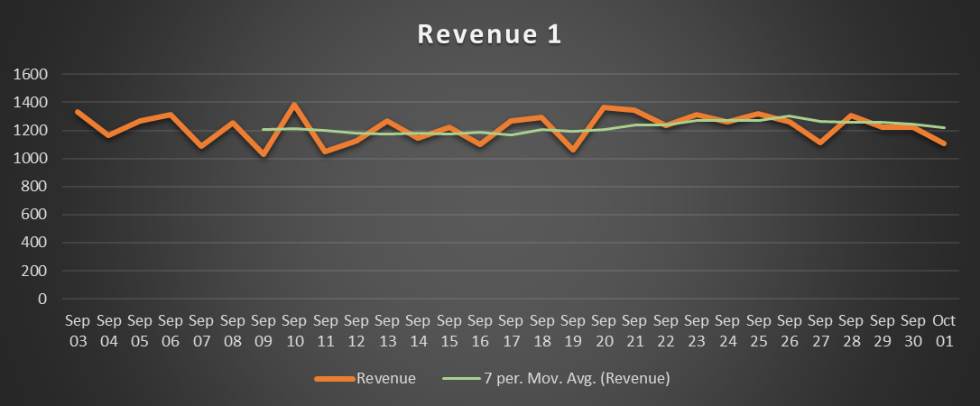
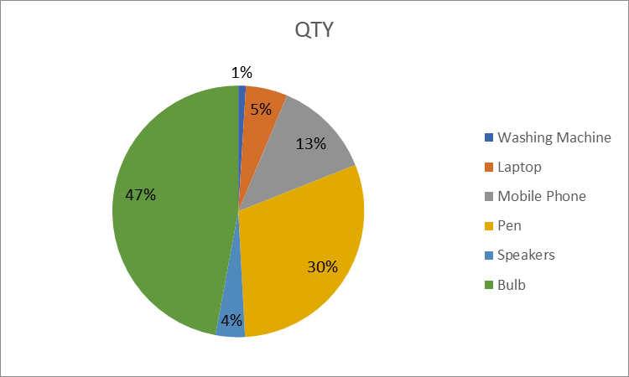
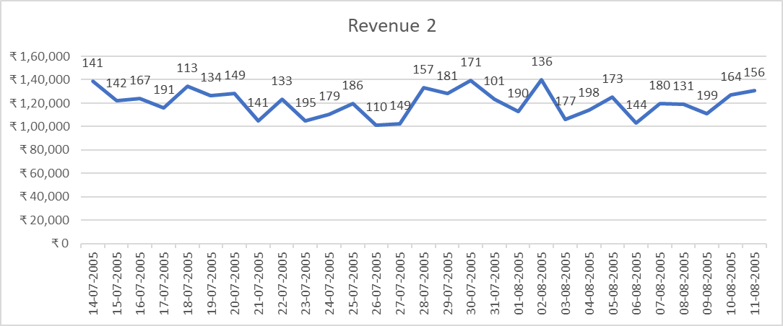
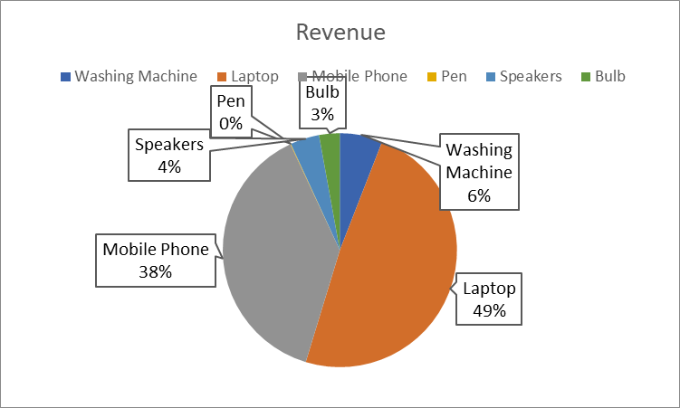
Line charts | Pie Charts

Combo Chart Sheet
Revenue and QTY
 | Revenue 4 | Qty
6/11/2005 | 1303419 | 123
6/12/2005 | 1368177 | 284
6/13/2005 | 1123413 | 172
6/14/2005 | 1291591 | 145
6/15/2005 | 1083560 | 138
6/16/2005 | 1121314 | 234
6/17/2005 | 1186701 | 287
6/18/2005 | 1098871 | 210
6/19/2005 | 1092795 | 154
6/20/2005 | 1216522 | 101
6/21/2005 | 1027508 | 105
6/22/2005 | 1263669 | 290
6/23/2005 | 1278680 | 213
6/24/2005 | 1352527 | 143
6/25/2005 | 1162771 | 257
6/26/2005 | 1173180 | 192
6/27/2005 | 1163031 | 196
6/28/2005 | 1222184 | 199
6/29/2005 | 1379700 | 219
6/30/2005 | 1260224 | 276
7/1/2005 | 1220900 | 159
7/2/2005 | 1027203 | 203
7/3/2005 | 1311714 | 138
7/4/2005 | 1076684 | 206
7/5/2005 | 1035058 | 124
7/6/2005 | 1147605 | 217
7/7/2005 | 1091289 | 167
7/8/2005 | 1104225 | 299
7/9/2005 | 1013751 | 254

